NavMesh
Nov-16

 | How-to bake

 |  | bake means pre-calculate way points from a 3D mesh
 |  | -> for things don't move ( eg walls )
 |  | -> for moving things (eg a move-able stone block) check NavObstacle / not implemented

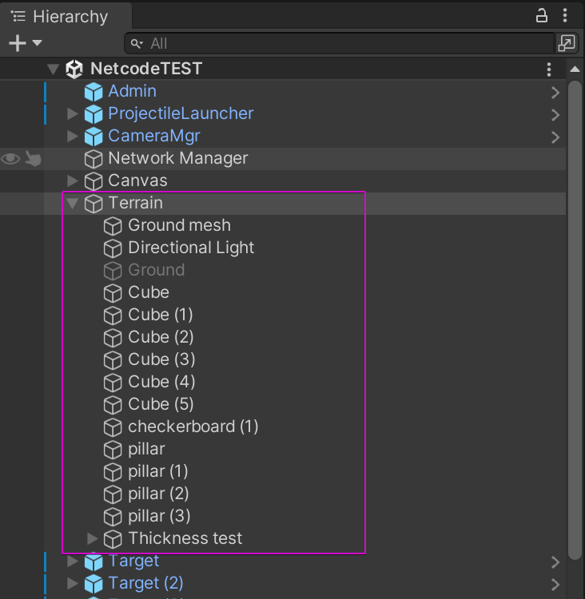
 | Step 1 | move all terrain under 1 parent

 | Step 2 | add 2x NavMeshSurface to parent
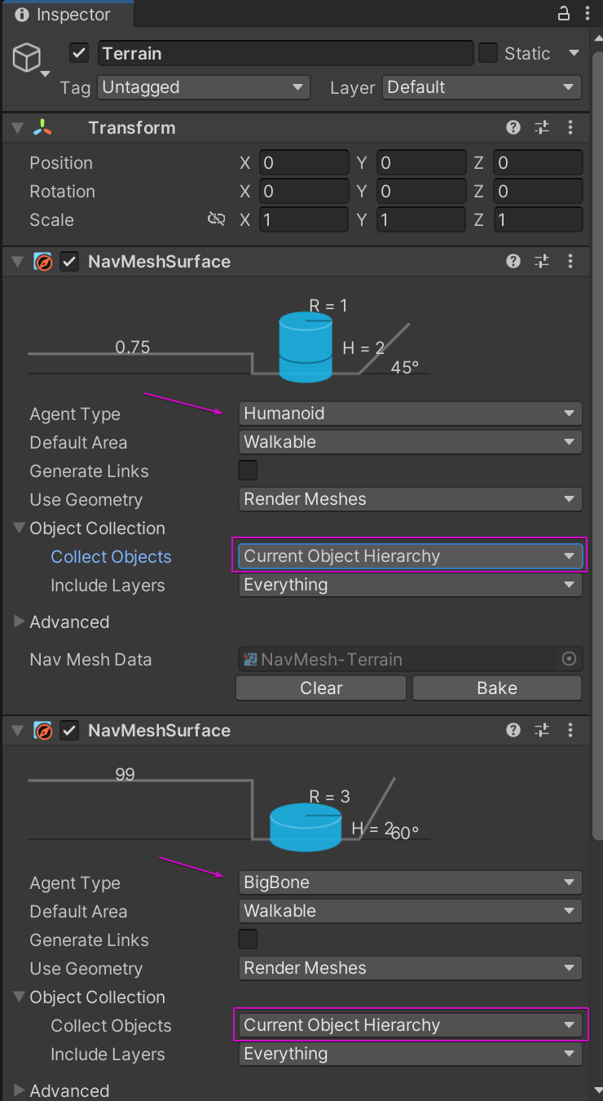
 |  | set to 'Current Object Hierarchy'
 |  | ( so we only consider child colliders )

 | Step 3 | bake and use

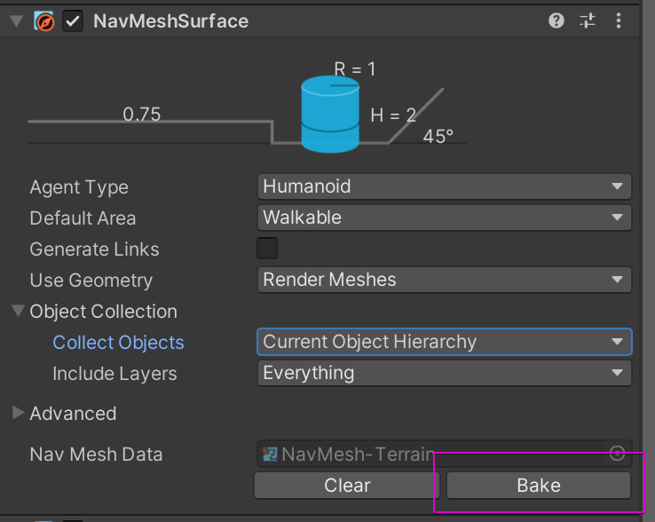
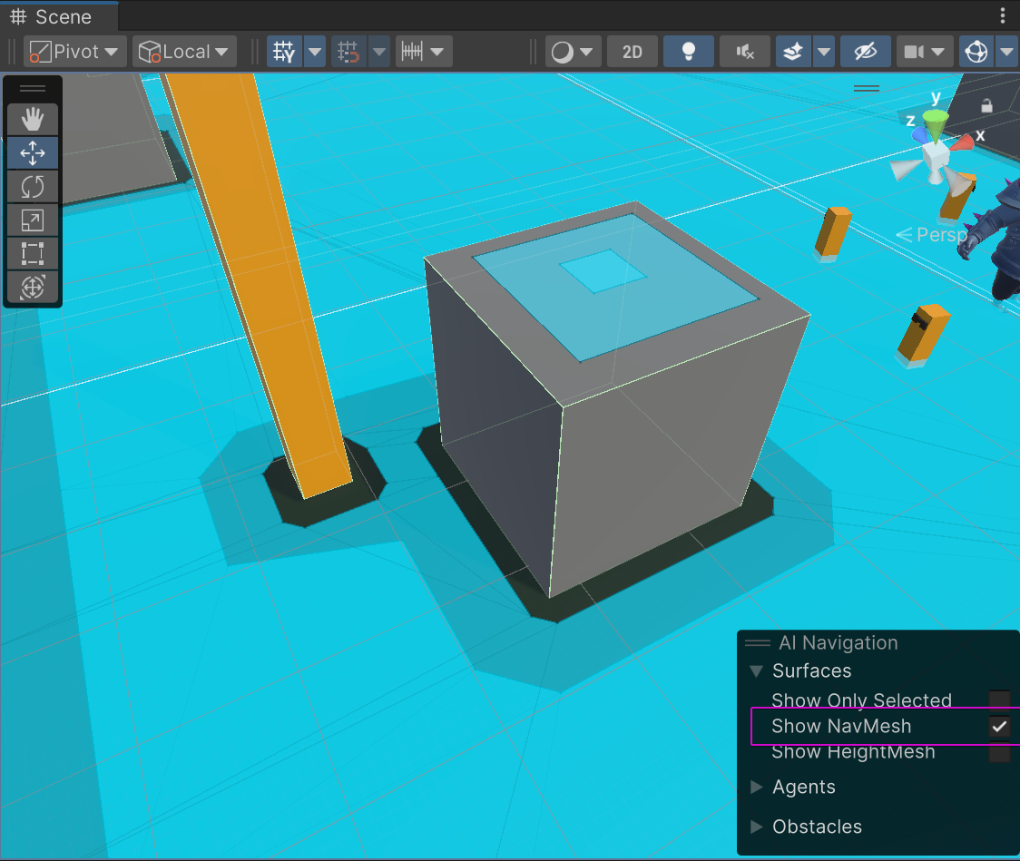

 |  | to check, toggle 'Show NavMesh'

 |  | ( there is move-able space on top of this cube
 |  | this is fine )

 |  | it's done!
 |  | drop a AI and try it

Lobby
Nov-20

 | To use:
 |  | add this prefab in your scene
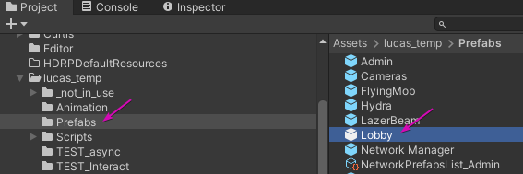

 | How it works:

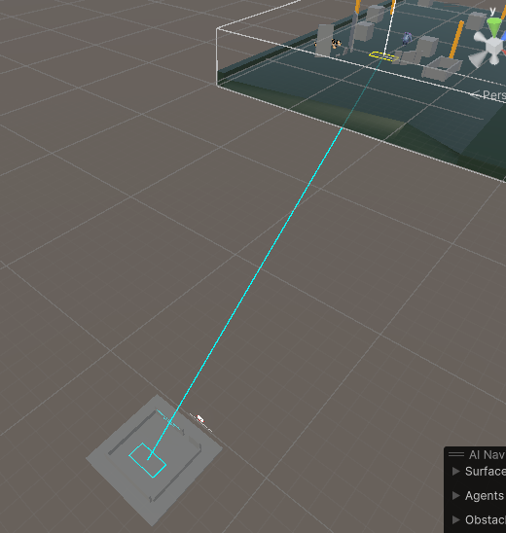
 |  | if a 'Lobby' exist
 |  |  | everyone will spawn at Cyan Zone
 |  |  | on game start, everyone teleport to Yellow Zone
 |  |  | ( ONLY host can start game )

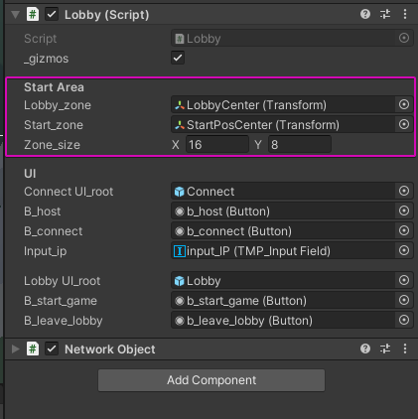

 |  | Choose a zone

 |  | Move it around

 |  | The Room / Terrain around is total customizable
 |  |  | keep it flat tho

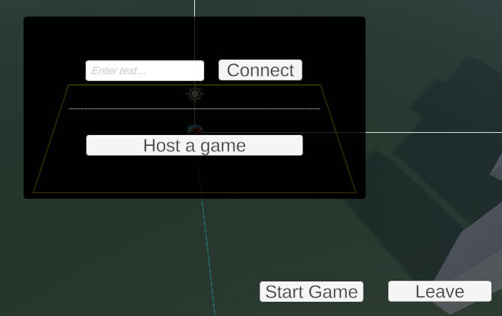
 |  | UI
 |  |  | 99% same as debug UI, but use a canvas

 |  | Late comers
 |  |  | You can still join after GameStart(), you will skip the lobby
 |  |  | ( only a contingency plan, it works but not tested extensively )

Map teleport
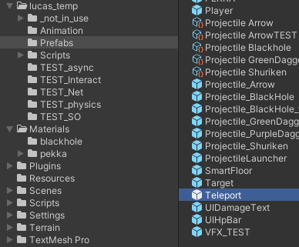
1. drag prefab into the scene

2. it will create a pair of A B

 | unique names (for eyeball
 | cannot change pair
 | if you delete 1, you delete the other too

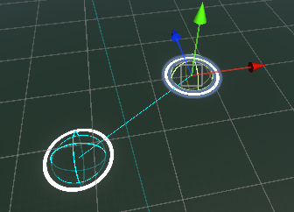
3. move them around as you want to

4. setting
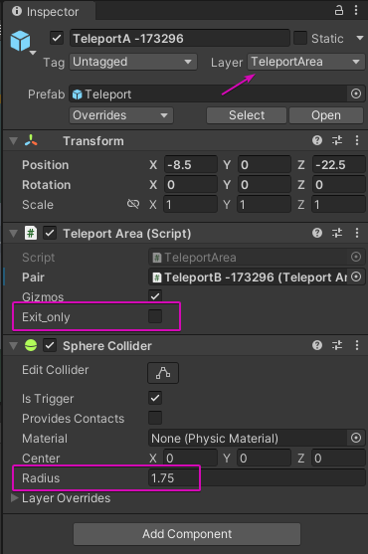

 |  | special layer ->

 | Gizmos = draw line between AB

 | Exit_only = cannot go back
 | ( you can use it as a switch )

 | area size = collider's radius

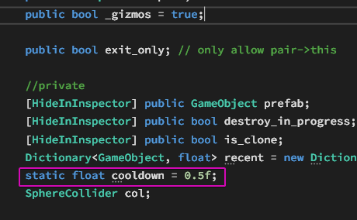

 | min teleport cooldown

